Sheet1
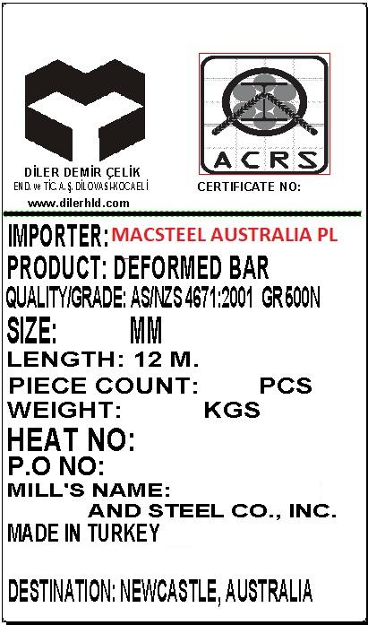
LOT NO | P.O. NUMBER | LOT WEIGTH | DESTINATION
1 | 1001311 | 52MT | FERMANTLE
2 | 1001312 | 364MT | SYDNEY
3 | 1001313 | 104MT | MELBOURNE
4 | 1001314 | 130MT | SYDNEY
5 | 1001315 | 416MT | SYDNEY
6 | 160183 | 624MT | MELBOURNE
7 | 160184 | 104MT | SYDNEY
8 | 160185 | 208MT | SYDNEY
9 | 160186 | 156MT | BRISBANE
 |  | 2158MT

